Feuil1
 |  |  | Tours (France) |  |  |  |  | Send to:
 |  |  |  |  |  |  |  | Jonathan NOYANT
 |  |  | Indoor & Open Supercross (14/15 janvier) |  |  |  |  | e.mail : j.noyant@ffc.fr
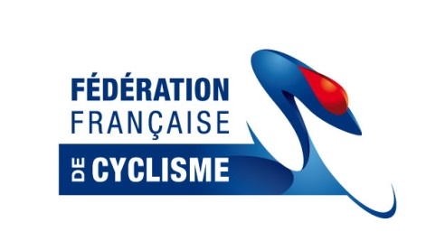
 |  |  | Entries form

 |  |  |  |  |  |  |  | Payment in cash at arrival
 |  |  | Name of Association
 |  |  | Adress
 |  |  | Postal Code
 |  |  | Country
 |  |  | Name of Team manager
 |  |  | Deadline | January 2nd 2017

 | Entry fees | Indoor 20 inches |  | 23 euros
 |  | Indoor 24 inches |  | 23 euros
 |  | Supercross (13/14/15/16) |  | 27 euros |  | Thank you for marking "x" in the corresponding classes
 |  | Open Supercross (17+) |  | 50 euros
 | Plate # | FAMILY NAME | First Name | Class entered for: | Date of birth (dd/mm/yyyy) | Indoor 20" | Indoor 24" | Supercross | Open Supercross | Entry fees Euros
1 |  |  |  |  |  |  |  |  |  | 0.00 €
2 |  |  |  |  |  |  |  |  |  | 0.00 €
3 |  |  |  |  |  |  |  |  |  | 0.00 €
4 |  |  |  |  |  |  |  |  |  | 0.00 €
5 |  |  |  |  |  |  |  |  |  | 0.00 €
6 |  |  |  |  |  |  |  |  |  | 0.00 €
7 |  |  |  |  |  |  |  |  |  | 0.00 €
8 |  |  |  |  |  |  |  |  |  | 0.00 €
9 |  |  |  |  |  |  |  |  |  | 0.00 €
10 |  |  |  |  |  |  |  |  |  | 0.00 €
11 |  |  |  |  |  |  |  |  |  | 0.00 €
12 |  |  |  |  |  |  |  |  |  | 0.00 €
13 |  |  |  |  |  |  |  |  |  | 0.00 €
14 |  |  |  |  |  |  |  |  |  | 0.00 €
15 |  |  |  |  |  |  |  |  |  | 0.00 €
16 |  |  |  |  |  |  |  |  |  | 0.00 €
17 |  |  |  |  |  |  |  |  |  | 0.00 €
18 |  |  |  |  |  |  |  |  |  | 0.00 €
19 |  |  |  |  |  |  |  |  |  | 0.00 €
20 |  |  |  |  |  |  |  |  |  | 0.00 €
21 |  |  |  |  |  |  |  |  |  | 0.00 €
22 |  |  |  |  |  |  |  |  |  | 0.00 €
23 |  |  |  |  |  |  |  |  |  | 0.00 €
24 |  |  |  |  |  |  |  |  |  | 0.00 €
25 |  |  |  |  |  |  |  |  |  | 0.00 €
26 |  |  |  |  |  |  |  |  |  | 0.00 €
27 |  |  |  |  |  |  |  |  |  | 0.00 €
28 |  |  |  |  |  |  |  |  |  | 0.00 €
29 |  |  |  |  |  |  |  |  |  | 0.00 €
30 |  |  |  |  |  |  |  |  |  | 0.00 €
31 |  |  |  |  |  |  |  |  |  | 0.00 €
32 |  |  |  |  |  |  |  |  |  | 0.00 €
33 |  |  |  |  |  |  |  |  |  | 0.00 €
34 |  |  |  |  |  |  |  |  |  | 0.00 €
35 |  |  |  |  |  |  |  |  |  | 0.00 €
36 |  |  |  |  |  |  |  |  |  | 0.00 €
37 |  |  |  |  |  |  |  |  |  | 0.00 €
38 |  |  |  |  |  |  |  |  |  | 0.00 €
39 |  |  |  |  |  |  |  |  |  | 0.00 €
40 |  |  |  |  |  |  |  |  |  | 0.00 €
 |  |  |  |  |  |  |  |  | TOTAL | 0.00 €
 |  | Return this form by e.mail only

